Selector
 |  | TIOMOS Selector

 |  |  |  |  |  |  |  |  |  |  | language
Hinge

 | 110° |  |  |  | 160° |  |  |  | 120° |  |  |  | 95°
Tiomos 110 |  |  |  | Tiomos 160 |  |  |  |  | Tiomos 120 |  |  |  | Tiomos 95
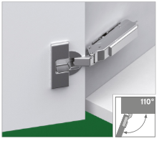
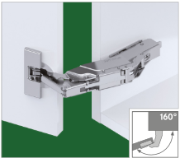
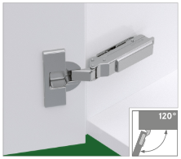
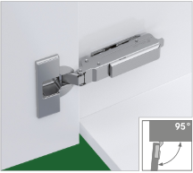

Overlay |  |  |  |  |  |  |  | Drilling pattern |  |  |  | Cup distance

13.0
6.0

0.00

Hinge type |  |  |  |  |  |  | Mounting plate fixing |  |  |  |  |  |  |  | Lösungen

Hinge |  |  |  |  |  |  |  |  |  |  |  |  |  |  | Item#
TIOMOS Click-on hinges |  |  |  | TIOMOS hinge TS-Click-on |  |  |  |  |  | 110°, B-BB, K95, Dowel, ni |  |  |  | F028 | 138 | 525

Mounting plate

Mounting plate type |  |  |  |  |  | Fixing

37/32 |  |  |  |  |  |  |  |  |  |  |  | Height |  |  | Item#
TIOMOS mounting plates |  |  | 1D Cross mounting plate TIOMOS |  |  |  |  |  | H 35, Euro, ni /37 |  |  | 3.5 |  | F058 | 139 | 759

28/32 |  |  |  |  |  |  |  |  |  |  |  | Height |  |  | Item#
No solution… |  |  | change selection

